Manager
Module Code | Manager
Test requirement | <Brief description about requirements which are tested in this sheet>
Tester
Pass | Fail | Untested | N/A | Number of Test cases
40 | 6 | 0 | 0 | 46

ID | Test Case Description | Test Case Procedure | Expected Output | Inter-test case Dependence | Result | Test date | Note
 | Profile manager
Module1-1 | Test viewing the profile page. | 1. Login as a Manager. 2. Click on the "Profile" button in the sidebar. | 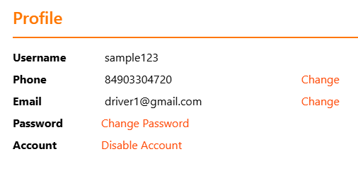 |  | Pass | 2024-07-11
Module1-2 | Testing change phone has letter | 1. Click link "Change" at phone row 2.Enter phone has letter |  | Module1-1 | Pass | 2024-07-11
Module1-3 | Testing change phone is negative number | 1. Click link "Change" at phone row 2.Enter phone is negative number | Show messeage: Please enter vaild Phone | Module1-1 | Fail | 2024-08-11
Module1-4 | Testing change valid phone | 1. Click link "Change" at phone row 2.Enter valid phone |  | Module1-1 | Pass | 2024-07-11
Module1-5 | Testing change invalid email | 1. Click link "Change" at email row 2.Enter invalid email |  | Module1-1 | Fail | 2024-07-11
Module1-6 | Testing change valid email | 1. Click link "Change" at email row 2.Enter valid email |  | Module1-1 | Pass | 2024-07-11
 | Manage Transport Services
Module2-1 | Testing view transport Services | 1. Login as a Manager. 2. Click on the "Manage Transport Services" button in the sidebar. |  |  | Pass | 2024-07-11
Module2-2 | Testing add transport service successful | 1. Click button "Add Service" 2. Enter valid Service Type 3. Enter valid Service name 4. Enter valid Description 5. Enter valid Price per Km 6. Enter valid Price per KG 7. Enter valid Price per Amount 8. Click button "Save" |  | Module2-1 | Pass | 2024-07-11
Module2-3 | Testing add transport service without Service Type | 1. Click button "Add Service" 2. Enter valid Service name 3. Enter valid Description 4. Enter valid Price per Km 5. Enter valid Price per KG 6. Enter valid Price per Amount 7. Click button "Save" |  | Module2-1 | Pass | 2024-07-11
Module2-4 | Testing add transport service without Service Name | 1. Click button "Add Service" 2. Enter valid Service Type 3. Enter valid Description 4. Enter valid Price per Km 5. Enter valid Price per KG 6. Enter valid Price per Amount 7. Click button "Save" |  | Module2-1 | Pass | 2024-07-11
Module2-5 | Testing add transport service without Description | 1. Click button "Add Service" 2. Enter valid Service Name 3. Enter valid Service Type 4. Enter valid Price per Km 5. Enter valid Price per KG 6. Enter valid Price per Amount 7. Click button "Save" |  | Module2-1 | Pass | 2024-07-11
Module2-5 | Testing add transport service without Price per KM | 1. Click button "Add Service" 2. Enter valid Service Name 3. Enter valid Service Type 4. Enter valid Description 5. Enter valid Price per KG 6. Enter valid Price per Amount 7. Click button "Save" |  | Module2-1 | Pass | 2024-07-11
Module2-6 | Testing add transport service without Price per KG | 1. Click button "Add Service" 2. Enter valid Service Name 3. Enter valid Service Type 4. Enter valid Description 5. Enter valid Price per KM 6. Enter valid Price per Amount 7. Click button "Save" |  | Module2-1 | Pass | 2024-07-11
Module2-7 | Testing add transport service without Price per KG | 1. Click button "Add Service" 2. Enter valid Service Name 3. Enter valid Service Type 4. Enter valid Description 5. Enter valid Price per KM 6. Enter valid Price per Amount 7. Click valid button "Save" |  | Module2-1 | Pass | 2024-07-11
Module2-8 | Testing add transport service without Price per Amount | 1. Click button "Add Service" 2. Enter valid Service Name 3. Enter valid Service Type 4. Enter valid Description 5. Enter validPrice per KM 6. Enter validPrice per KG 7. Click button "Save" |  | Module2-1 | Pass | 2024-07-11
Module2-9 | Testing add transport service with invalid Price per Km | 1. Click button "Add Service" 2. Enter valid Service Name 3. Enter valid Service Type 4. Enter valid Description 5. Enter Price per KM is negative number 6. Enter validPrice per KG 7. Enter validPrice per Amount 8. Click button ""Save" | Show messeage: Please enter vaild Price per Km | Module2-1 | Fail
Module2-10 | Testing add transport service with invalid Price per Kg | 1. Click button "Add Service" 2. Enter valid Service Name 3. Enter valid Service Type 4. Enter valid Description 5. Enter Price per KM 6. Enter validPrice per KG is negative number 7. Enter validPrice per Amount 8. Click button ""Save" | Show messeage: Please enter vaild Price per Kg | Module2-1 | Fail
Module2-11 | Testing add transport service with invalid Price per Amount | 1. Click button "Add Service" 2. Enter valid Service Name 3. Enter valid Service Type 4. Enter valid Description 5. Enter Price per KM 6. Enter validPrice per KG 7. Enter validPrice per Amount is negative number 8. Click button ""Save" | Show messeage: Please enter vaild Price per Amount | Module2-1 | Fail
Module2-12 | Testing edit transport service | 1. Click button "Edit" 2. Enter valid Service Type 3. Enter valid Service name 4. Enter valid Description 5. Enter valid Price per Km 6. Enter valid Price per KG 7. Enter valid Price per Amount 8. Click button "Save" |  | Module2-1 | Pass | 2024-07-11
Module2-13 | Testing change status of transport service to inactive | 1.Click button "Active" | 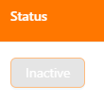 | Module2-1 | Pass | 2024-07-11
Module2-14 | Testing change status of transport service to active | 1.Click button "Inactive" | 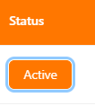 | Module2-1 | Pass | 2024-07-11
 | Mange Route
Module3-1 | Testing view routes | 1. Login as a Manager. 2. Click on the "Manage Route" button in the sidebar. |  |  | Pass | 2024-07-11
Module3-2 | Testing view routes detail | 1.Click button "icon Eye" | 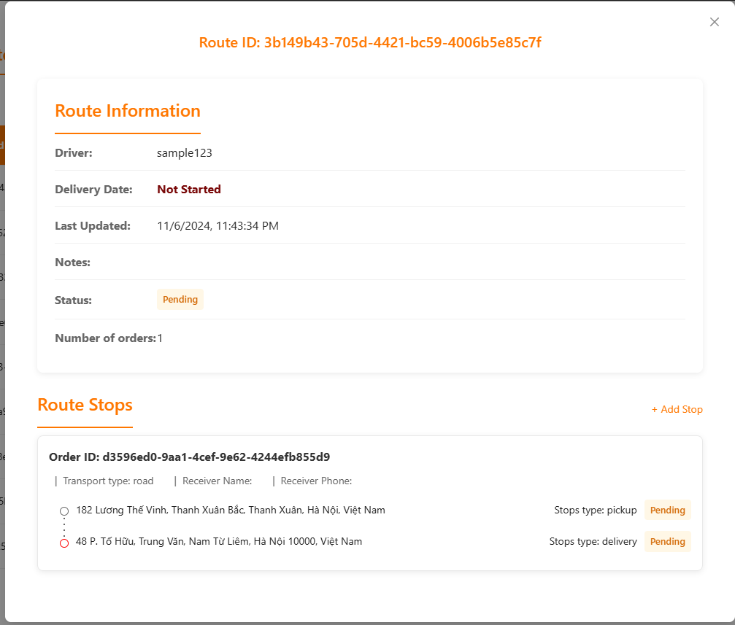 | Module3-1 | Pass | 2024-07-11
Module3-3 | Testing show create new route modal | 1. Click button "Create New Route" | 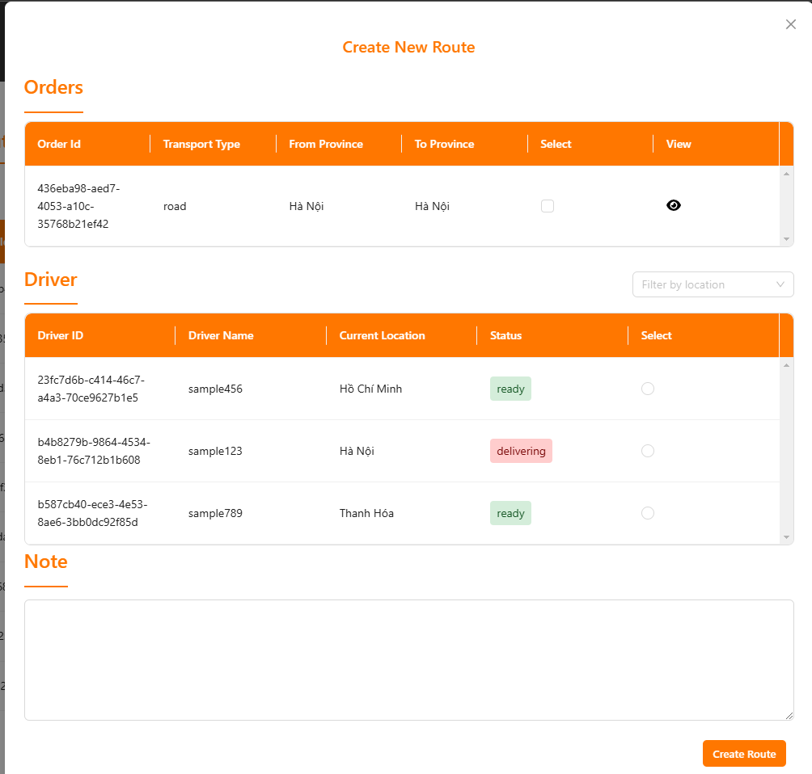 | Module3-1 | Pass | 2024-07-11
Module3-4 | Testing view order in create new route | 1.Click button "icon Eye" | 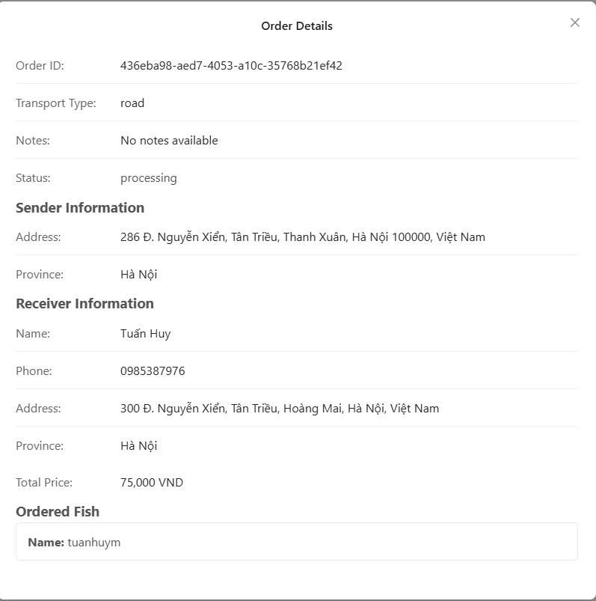 | Module3-3 | Pass | 2024-07-11
Module3-5 | Testing view ordered fish in order detail | 1. Click name of fish | 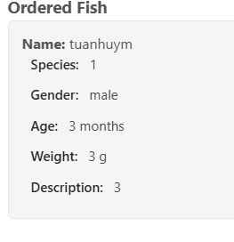 | Module3-4 | Pass | 2024-07-11
Module3-6 | Testing select and deselect orders for a route. | 1.Click on the checkbox for an order to select/deselect it. | 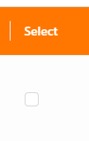 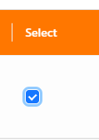 | Module3-3 | Pass | 2024-07-11
Module3-7 | Testing select driver for a route | 1.Select a driver from the list | 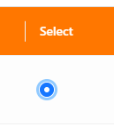 | Module3-3 | Pass | 2024-07-11
Module3-8 | Testing filter drivers by location | 1. Select a location from the filter dropdown |  | Module3-3 | Pass | 2024-07-11
Module3-9 | Testing create route without orders | 1. Select driver 2. Click on button "Create Route" |  | Module3-3 | Pass | 2024-07-11
Module3-10 | Testing create route without driver | 1. Select orders 2. Click on button "Create Route" |  | Module3-3 | Pass | 2024-07-11
Module3-10 | Testing create route without Note | 1. Select orders 2. Select driver 3. Click on button "Create Route" |  | Module3-3 | Pass | 2024-07-11
Module3-11 | Testing create route successful | 1. Select orders 2. Select driver 3. Enter note 3. Click on button "Create Route" |  | Module3-3 | Pass | 2024-07-11
 | Mange Additional Service
Module4-1 | Testing view Additional Services | 1. Login as a Manager. 2. Click on the "Manage Additional Service" button in the sidebar. |  |  | Pass | 2024-07-11
Module4-2 | Testing show Add Additional Service form | 1. Click on button "Add Service" | 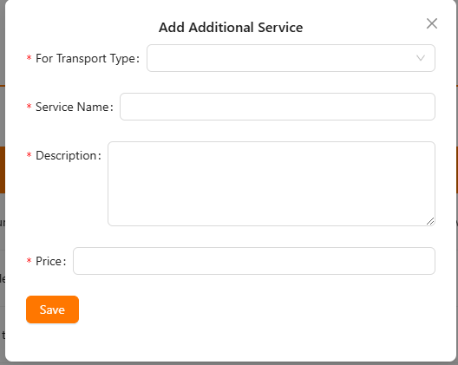 | Module4-1 | Pass | 2024-07-11
Module4-3 | Testing Add Aditional Service without Transport Type | 1. Blank Service Type 1. Enter valid Service Name 2. Enter valid Description 2. Enter valid Price 3. Click on button "Save" |  | Module4-2 | Pass | 2024-07-11
Module4-4 | Testing Add Aditional Service without Service Name | 1. Enter Service Type 1. Blank valid Service Name 2. Enter valid Description 2. Enter valid Price 3. Click on button "Save" |  | Module4-2 | Pass | 2024-07-11
Module4-5 | Testing Add Aditional Service without Description | 1. Enter valid Service Type 1. Enter valid Service Name 2. Blank valid Description 2. Enter valid Price 3. Click on button "Save" |  | Module4-2 | Pass | 2024-07-11
Module4-6 | Testing Add Aditional Service without Price | 1. Enter valid Service Type 1. Enter valid Service Name 2. Enter valid Description 2. Blank Price 3. Click on button "Save" |  | Module4-2 | Pass | 2024-07-11
Module4-7 | Testing Add Aditional Service successful | 1. Enter valid Transport Type 2. Enter valid Service Name 2. Enter valid Description 2. Enter valid Price 3. Click on button "Save" |  | Module4-2 | Pass | 2024-07-11
Module4-8 | Testing change status of additional service to Inactive | 1.Click button "Active" |  | Module4-1 | Pass | 2024-07-11
Module4-9 | Testing change status of additional service to Active | 1.Click button "Inactive" |  | Module4-1 | Pass | 2024-07-11
Module4-10 | Testing show edit additional service form | 1.Click button "Edit" | 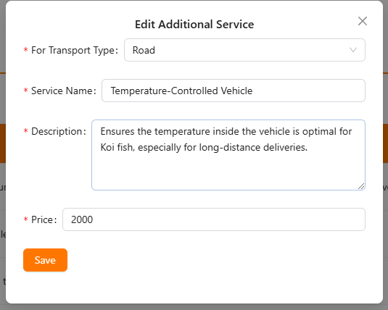 | Module4-1 | Pass | 2024-07-11
Module4-9 | Testing edit additional service successful | 1.Click button "Inactive" |  | Module4-10 | Pass | 2024-07-11
 | Mange Additional Service
Module4-1 | Testing view Accounts | 1. Login as a Manager. 2. Click on the "Manage Account" button in the sidebar. | 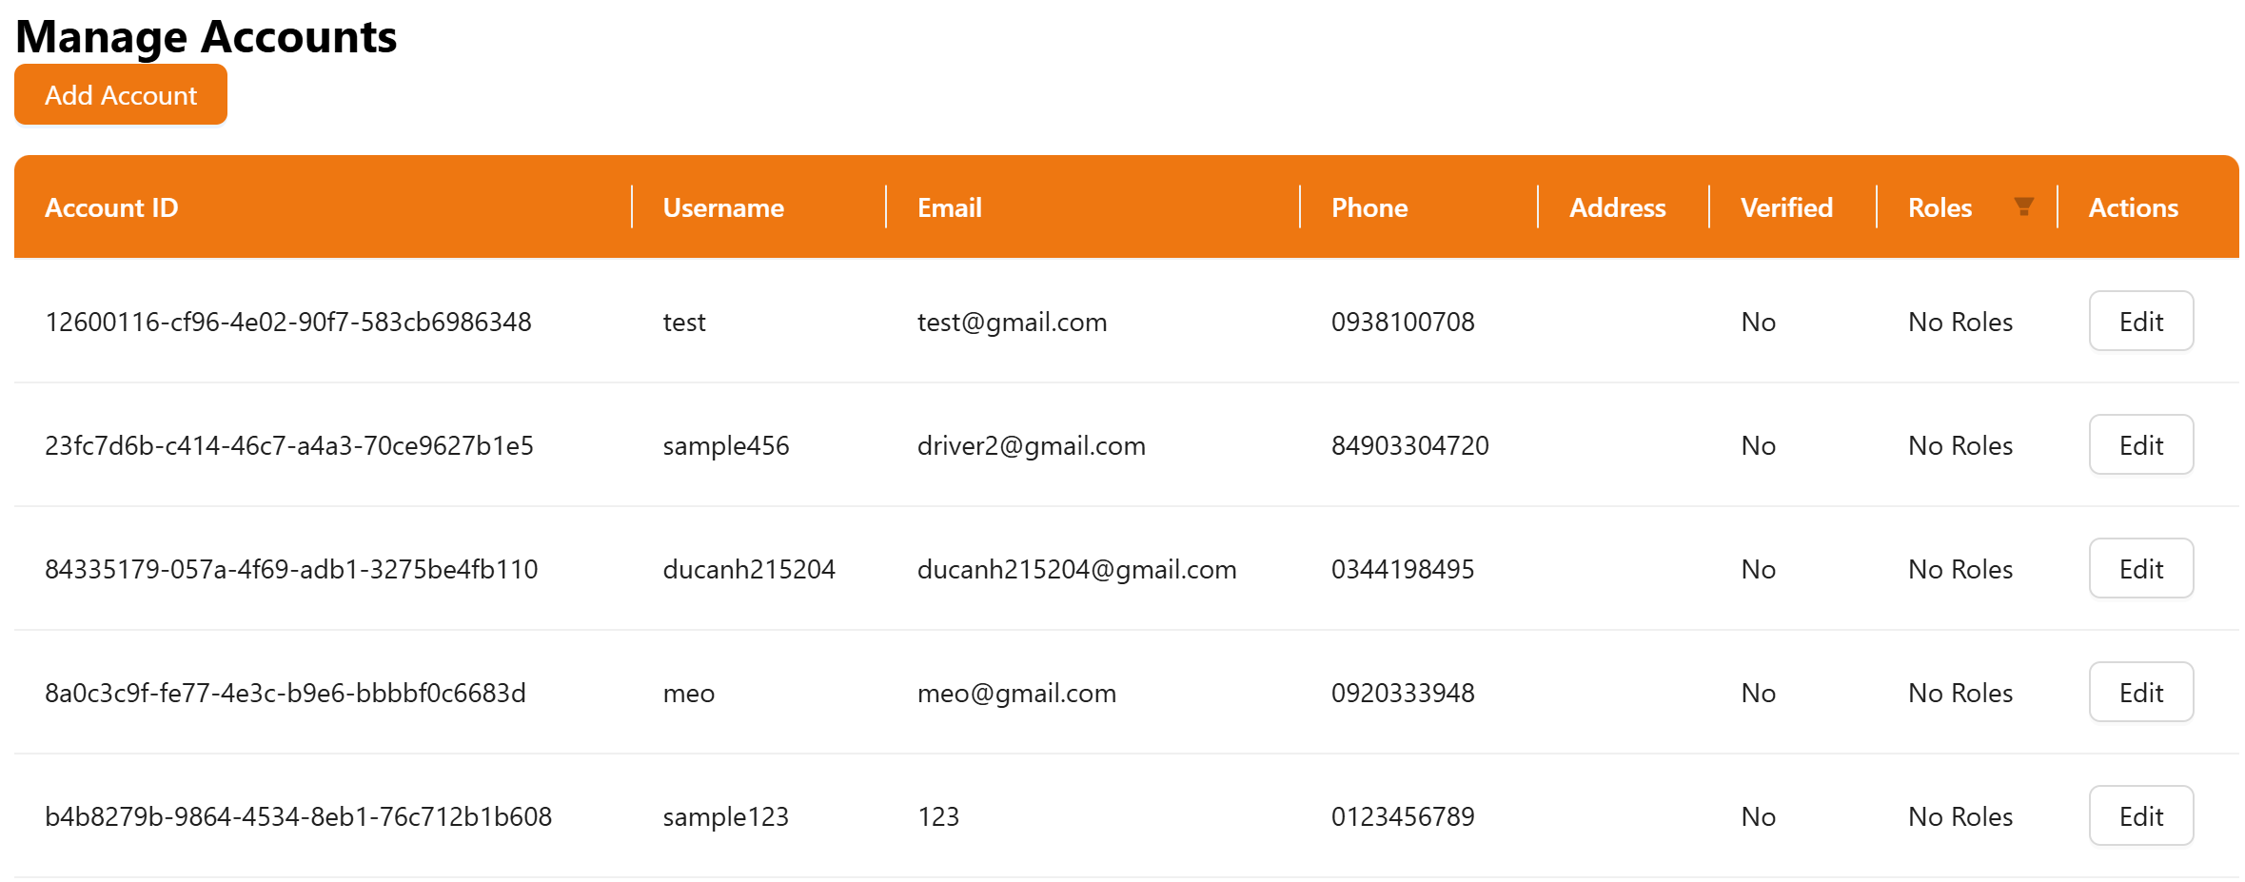 |  | Pass | 2024-07-11
Module4-2 | Testing edit Accounts | 1. Click on the "Edit" button 2. Enter Phone 3. Enter Name 4. Enter Email 5. Click on the "Save" button | Show messeage: Account update successfully | Module4-1 | Fail | 2024-07-11

Delivery
Module Code | Module1
Test requirement | <Brief description about requirements which are tested in this sheet>
Tester
Pass | Fail | Untested | N/A | Number of Test cases
26 | 3 | 1 | 0 | 30

ID | Test Case Description | Test Case Procedure | Expected Output | Inter-test case Dependence | Result | Test date | Note
 | Function A
[Module1 -] | <Brief description of this case: what is tested?> Ex: Test viewing "Company" form. | <Describe steps to perform this case> Ex: 1. Login the system with Manager role. 2. Click "Company" tab in the left menu. | <Describe results which meet customer's requirement> Ex: The "Company" view form is displayed with the folowing informations: - Company name - Company address - Phone - Fax |  | Pass
Test register(Deliver)
Module 1-1 | Test register without BE. | 1. Go to the register page. 2. Enter invalid email, phonenumber, username, password information. 3. Click on the button "Register". |  |  | Pass | 2024-11-06
Module 1-2 | Test register but enter invalid password (<6 character). | 1. Go to the register page. 2. Enter valid email, phonenumber, username information. Enter invalid password. 3. Click on the button "Register". |  |  | Pass | 2024-11-06
Module 1-3 | Test register but enter invalid phonenumber (<10 number). | 1. Go to the register page. 2. Enter valid email, password, username information. Enter invalid phonenumber (<10 number) 3. Click on the button "Register". |  |  | Pass | 2024-11-06
Module 1-4 | Test register when enter invalid email. | 1. Go to the register page. 2. Enter valid phonenumber, password, username information. But enter invalid email. 3. Click on the button "Register". |  |  | Pass | 2024-11-06
Module 1-5 | Test register but enter invalid phonenumber (>10 number). | 1. Go to the register page. 2. Enter valid email, password, username information. Enter invalid phonenumber (>10 number) 3. Click on the button "Register". |  |  | Pass | 2024-11-06
Module 1-6 | Test register successful. | 1. Go to the register page. 2. Enter invalid email, phonenumber, username, password information. 3. Click on the button "Register". | Return to login screen and display message: "account created successfully". |  | Fail | 2024-11-06
Module 1-7 | Test register without username. | 1. Go to the register page. 2. Not enter username. 3. Click on the button "Register". |  |  | Pass | 2024-11-06
Module 1-8 | Test register without password. | 1. Go to the register page. 2. Not enter password. 3. Click on the button "Register". |  |  | Pass | 2024-11-06
Module 1-9 | Test register without phone number | 1. Go to the register page. 2. Not enter phone number. 3. Click on the button "Register". |  |  | Pass | 2024-11-06
Module 1-10 | Test register without email | 1. Go to the register page. 2. Not enter email. 3. Click on the button "Register". |  |  | Pass | 2024-11-06
Module 1-11 | Test register when re-entering the password does not match the entered password | 1. Go to the register page. 2. Not enter the password not match. 3. Click on the button "Register". |  |  | Pass | 2024-11-06
Module 1-12 | Check show password button | 1. Go to the register page. 2. Click on the button |  |  | Pass | 2024-11-06
 | Logout function
Module 2-1 | Check logout function | 1. Log in to the app 2. Click on the icon in the login name 3. Click on logout | 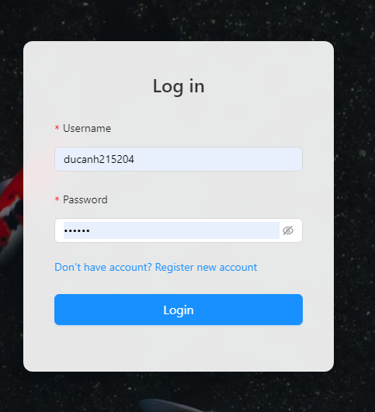 Return to login page | Module 1-6 | Pass | 2024-11-06
 | Check "delivery profile" function
Module 3-1 | View profile for account delivery | 1. Log in to the app 2. Click on the icon in the login name 3. Click on Account management | 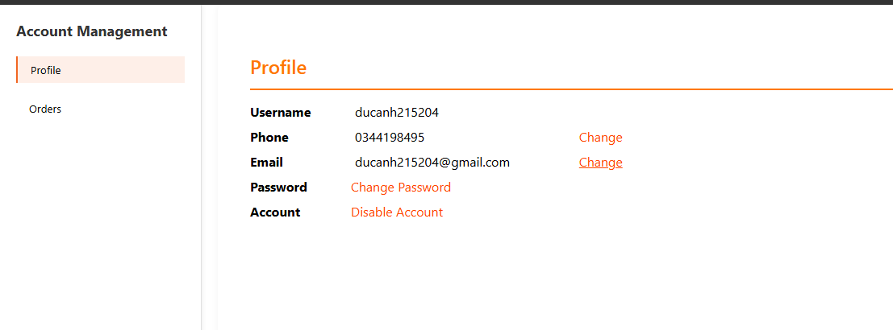 | Module 1-6 | Pass | 2024-11-06
Module 3-2 | Update phone number | 1. Click on the "change" button in the same row as phone. 2. Enter the new phone (valid information). 3. Click on the button "Submit". |  | Module 1-6 and Module 3-1 | Pass | 2024-11-06
Module 3-3 | Update invalid phone number(>10 digit) | 1. Click on the "change" button in the same row as phone. 2. Enter the new phone (invalid information). 3. Click on the button "Submit". |  | Module 1-6 and Module 3-1 | Pass | 2024-11-06
Module 3-4 | Update email | 1. Click on the "change" button in the same row as email. 2. Enter the new email (valid information). 3. Click on the button "Submit". |  | Module 1-6 and Module 3-1 | Pass | 2024-11-06
Module 3-5 | View delivery route | 1. Click on delivery route. |  | Module 1-6 | Pass | 2024-11-07
Module 3-6 | Check delivery route details | 1.Click on the icon | 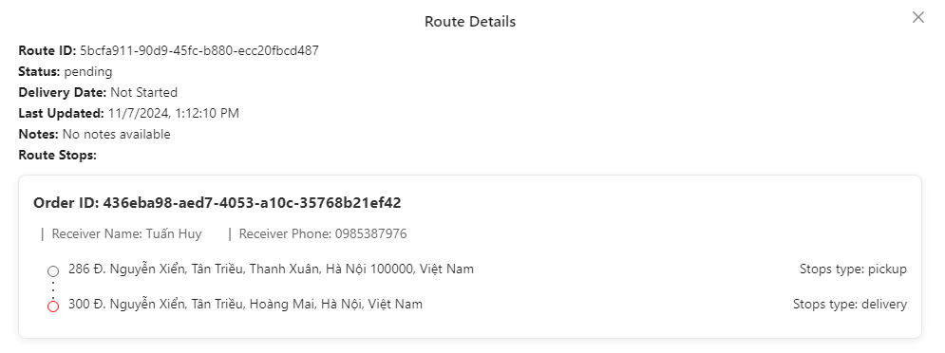 | Module 1-6 | Pass | 2024-11-07
Module 3-7 | Check pickup function. | 1. Click on the button "Pickup". |  | Module 1-6 | Pass | 2024-11-07
Module 3-8 | Update shipping status for picked up orders. | 1. Click on Processing Route. 2. Click on the button "Deliver" at the same row of "Stops type: pickup" | 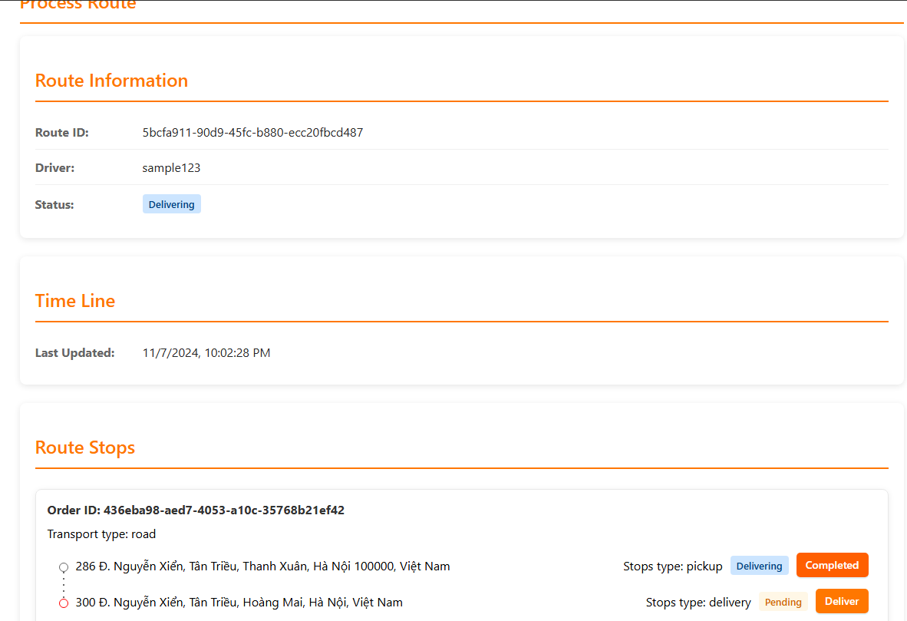 | Module 1-6, Module 3-8 | Pass | 2024-11-07
Module 3-9 | Update shipping status for completed after pickup orders. | 1. Click on the button "Completed" at the same row of "Stops type: pickup" | 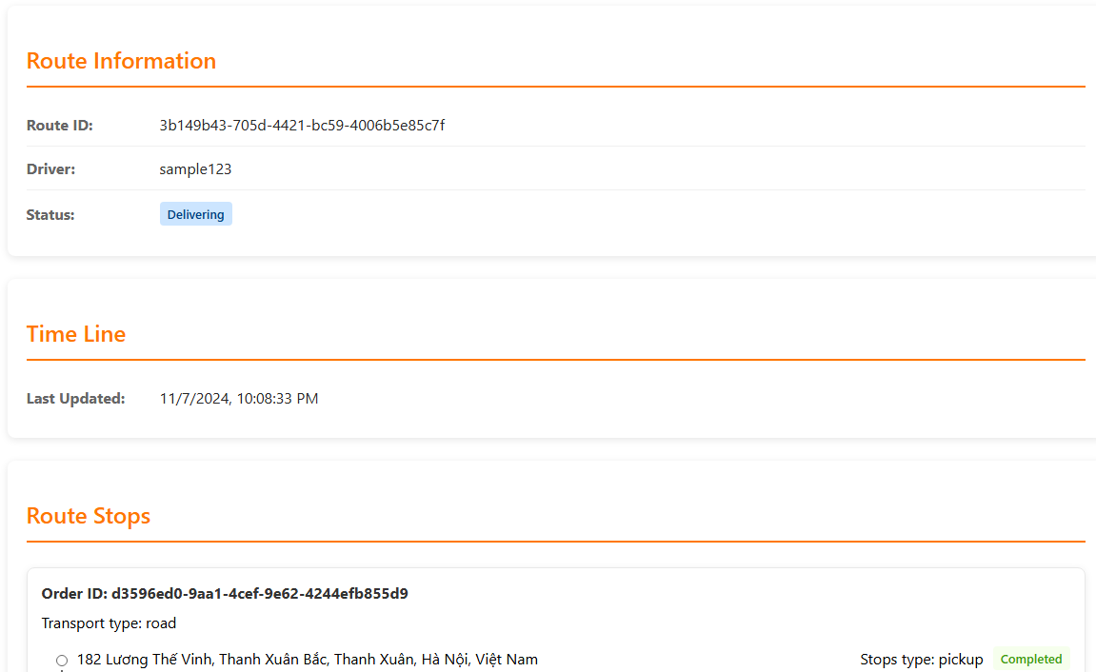 | Module 1-6, Module 3-8 and Module 3-9 | Pass | 2024-11-07
Module 3-10 | Update the shipping status for picked up orders. | 1.Click on the button "Deliver" at the same row of "Stops type: delivery". | 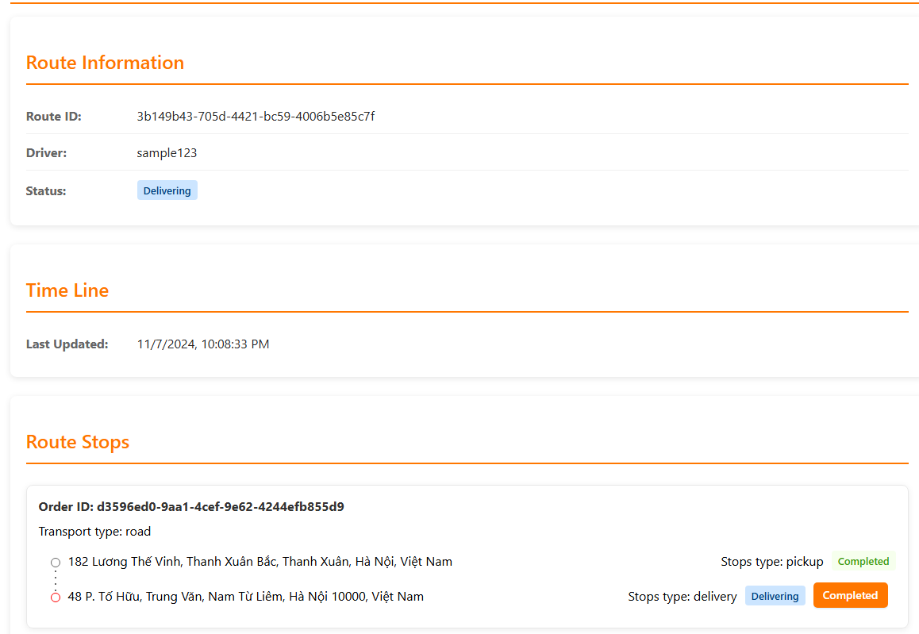 | Module 1-6, Module 3-8, Module 3-9 and Module 3-10 | Pass | 2024-11-07
Module 3-11 | Update the delivery status for orders that have been successfully delivered. | 1.Click on the button "Completed" at the same row of "Stops type: delivery". |  | Module 1-6,Module 3-8, Module 3-9, Module 3-10 and Module 3-11 | Pass | 2024-11-07
Module 3-12 | Update the delivery status for orders that have been successfully delivered when no pickup has been performed | 1.Click on the button "Deliver" at the same row of "Stops type: delivery". | The program should report an error: "Cannot update status until pickup is completed". | Module 1-6 | Fail | 2024-11-07
Module 3-13 | Check information when no order is created | 1. Click on the "Deliery Route". |  | Module 1-6 | Pass | 2024-11-07
Module 3-14 | Update invalid phone number(<10 digit) | 1. Click on the "change" button in the same row as phone. 2. Enter the new phone (invalid information). 3. Click on the button "Submit". |  | Module 1-6 and Module 3-1 | Pass | 2024-11-07
Module 3-15 | Update invalid email | 1. Click on the "change" button in the same row as email. 2. Enter the new email (valid information). 3. Click on the button "Submit". | The program should display the message: "Unable to update because email is not in the correct format". | Module 1-6 and Module 3-1 | Fail | 2024-11-07

Customer
Module Code | Customer
Test requirement | <Brief description about requirements which are tested in this sheet>
Tester
Pass | Fail | Untested | N/A | Number of Test cases
47 | 3 | 0 | 0 | 50

ID | Test Case Description | Test Case Procedure | Expected Output | Inter-test case Dependence | Result | Test date | Note
 | Check layout of application
[Customer-1] | Check layout of homepage | 1/ Open the Koi Fish Transportation website 2/ Observe for any missing item on the homepage |  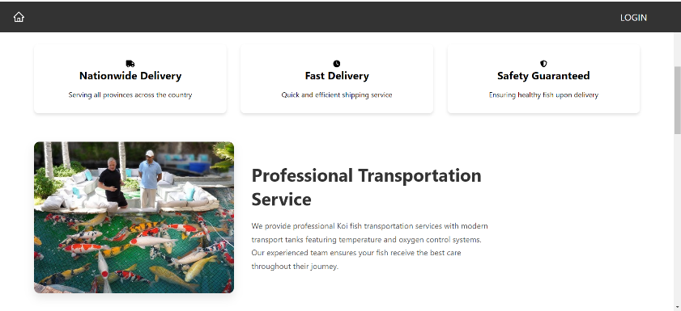 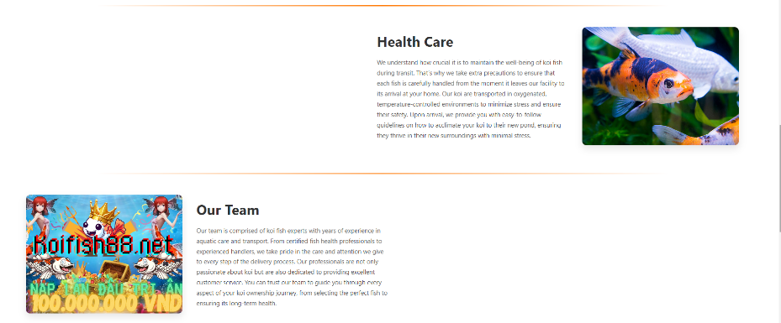 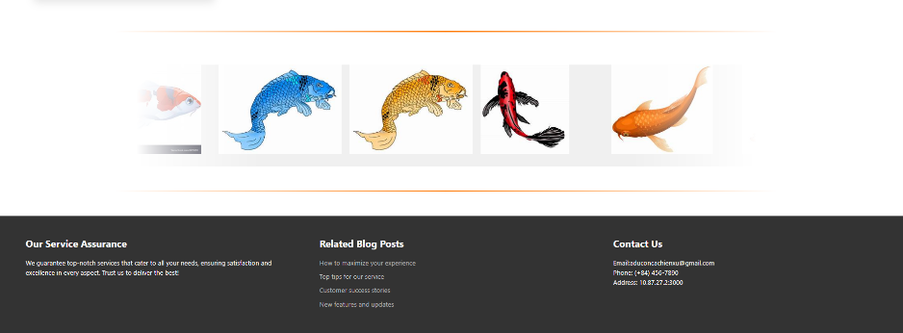 The layout should display as the following image |  | Pass
[Customer-2] | Check Responsiveness on Different Screen Resolutions | 1/ Open the Koi Fish Transportation website on various screen resolutions (e.g., 1920x1080, 1366x768, mobile). 2/ Observe the layout for any distortion or misalignmen | The layout should adjust and remain consistent on all tested resolutions. |  | Pass
[Customer-3] | Check layout of login form | 1/ Open the Koi Fish Transportation website 2/ Click on the login option 3/ Observe for any missing item on the login page | The layout should display as the following image |  | Pass
[Customer-4] | Check layout of register form | 1/ Open the Koi Fish Transportation website 2/ Click on the login option 3/ Click on the don't have an account button 4/ Observe for any missing item on the register page | 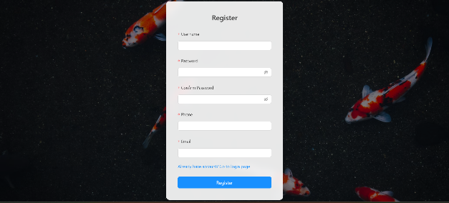 The layout should display as the following image |  | Pass
[Customer-5] | Check layout of account management | 1/ Open the Koi Fish Transportation website 2/ Go to account management page 3/ Observe for any missing item on the account management page | 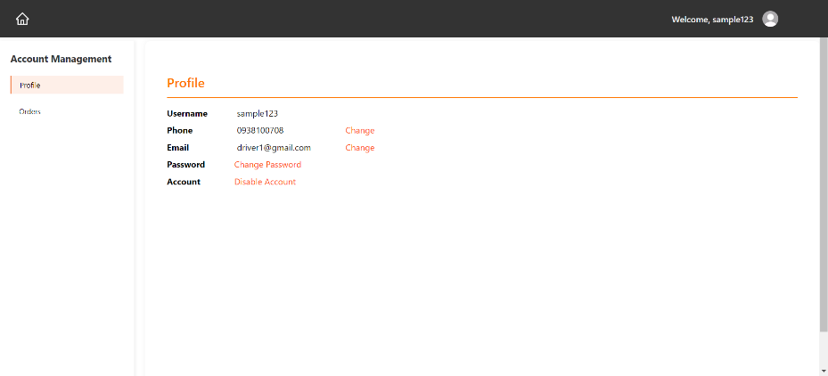 The layout should display as the following image |  | Pass
[Customer-6] | Check layout of order page | 1/ Open the Koi Fish Transportation website 2/ Clicks on the track order button 3/ Click on the view details button 4/ Observe for any missing item on the order details page | 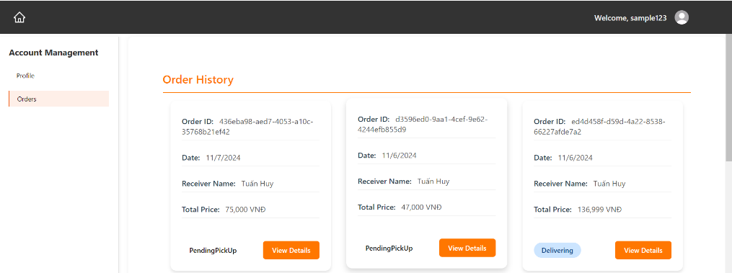 The layout should display as the following image |  | Pass
[Customer-7] | Check layout of order details page | 1/ Open the Koi Fish Transportation website 2/ Clicks on the track order button 3/ Observe for any missing item on the track order page | 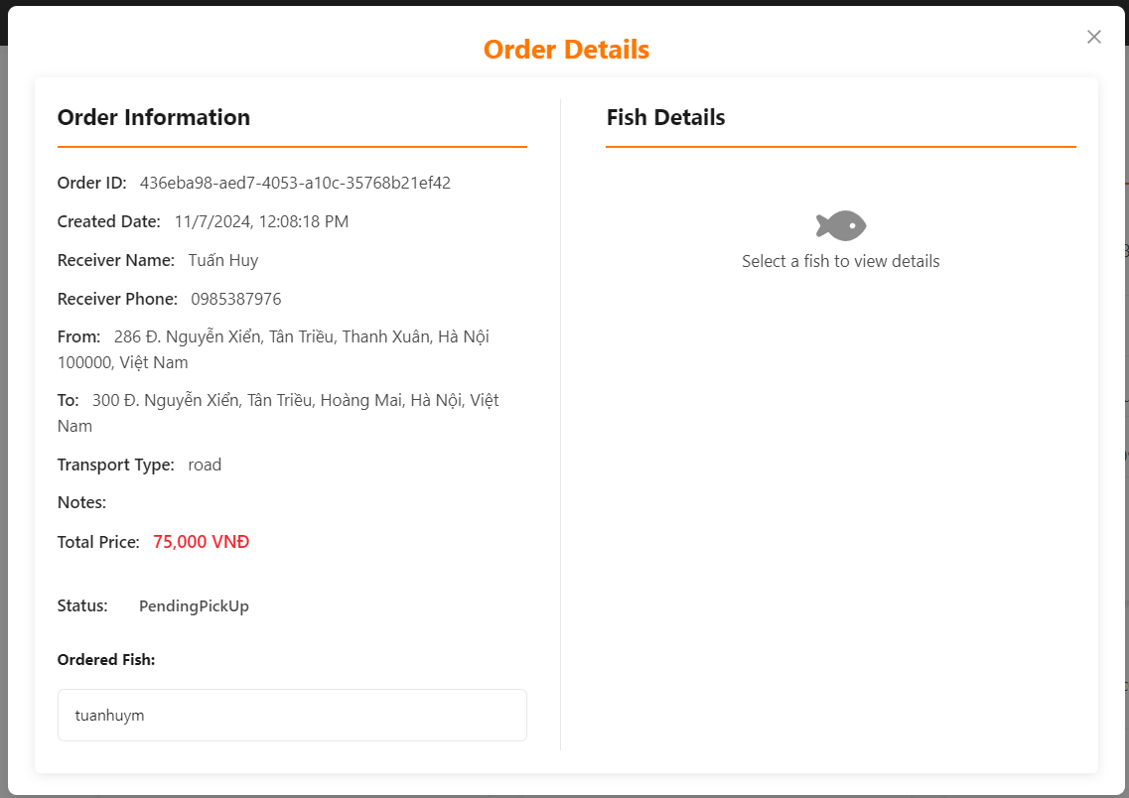 The layout should display as the following image |  | Pass
[Customer-8] | Check layout of service details page | 1/ Open the Koi Fish Transportation website 2/ Go to account management page 3/ Click on the orders button 4/ Click on the view details button 5/ Observe for any missing item on the order details page | 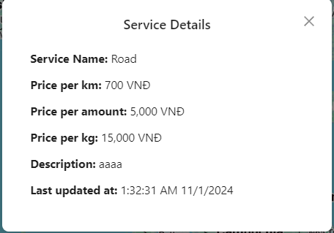 The layout should display as the following image |  | Pass
[Customer-9] | Check layout of delivery method details | 1/ Click on the "Book shipping now" button 2/ Fill in the pick-up location 3/ Fill in the drop-off location 4/ Clicks on the "detail" button on the delivery method | 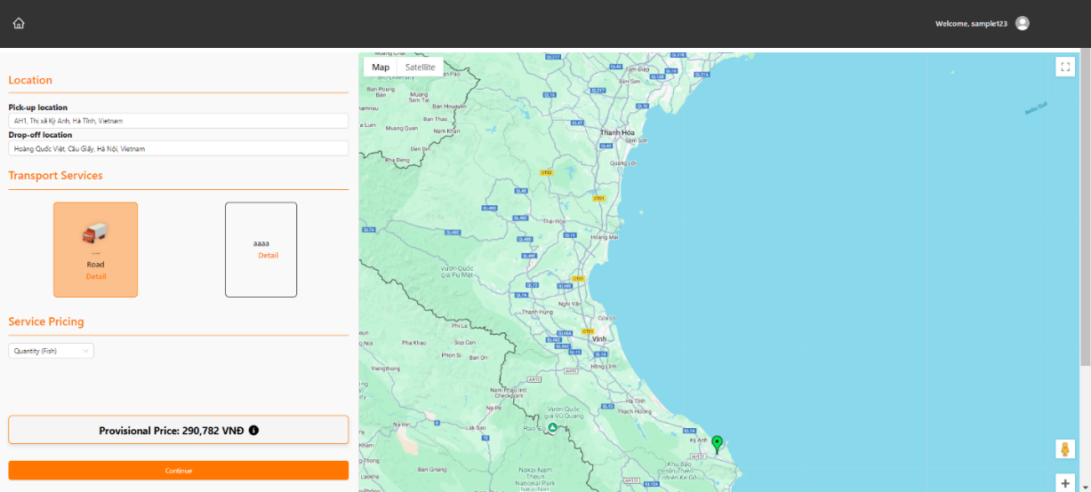 The layout should display as the following image |  | Pass
[Customer-10] | Check layout of delivery information details | 1/ Click on the "Book shipping now" button 2/ Fill in the pick-up location 3/ Fill in the drop-off location 4/ Choose transport services 5/ Choose service pricing 6/ Click on the "continue" button | 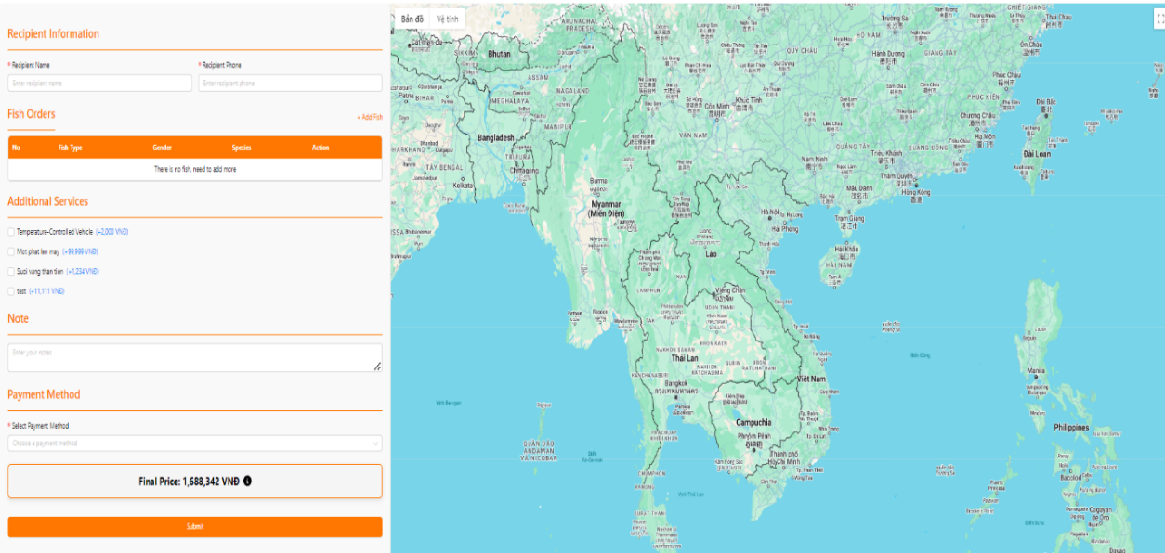 The layout should display as the following image |  | Pass
[Customer-11] | Check layout of add fish | While on the service details page 1/ Click on the add fish button | 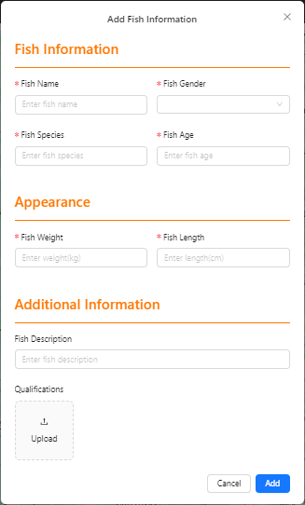 The layout should display as the following image |  | Pass
[Customer-12] | Check layout of edit phone | While on the account management page 1/ Click on the change button next to the phone | The layout should display as the following image |  | Pass
[Customer-13] | Check layout of edit email | While on the account management page 1/ Click on the change button next to the email | The layout should display as the following image |  | Pass
 | Login form( customer)
[Customer-14] | Login account does not exist | 1/ Go to login customer page form. 2/ Enter invalid username and password. 3/ Click button "Login". | A message pop up |  | Pass
[Customer-15] | Login with no password | 1/ Go to login customer page form. 2/ Enter valid username 3/ Click button "Login". | A message pop up |  | Pass
[Customer-16] | Login with invalid password | 1/ Go to login customer page form. 2/ Enter valid username and invalid password. 3/ Click button "Login". | A message pop up |  | Pass
[Customer-17] | Check the button "Show Password" | 1.Go to login customer page form. 2.Enter username and password. 3.Click button "Show Password". | 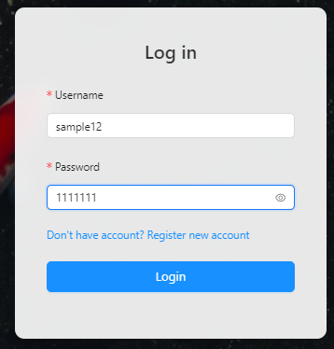 The password that you type is shown |  | Pass
[Customer-18] | Login without account | 1.Go to login customer page form. 2.Click button "Sign in". | 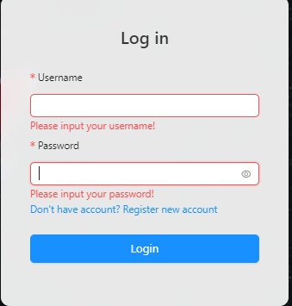 A message pop up |  | Pass
[Customer-19] | Login successfully | 1.Go to login customer page form. 2.Enter username and password. 3.Click button "Login". | User should return to homepage and the page shown |  | Pass
 | Logout (customer)
[Customer-20] | Logout successfully | 1/ Hover the mouse on user profile image 2/ Click on the log out button | User should return to login page |  | Pass
 | Book service (customer)
[Customer-21] | Select pick-up location | 1/ Click on the "Book shipping now" button 2/ Fill in the pick-up location | The location should be ping by a green marker on the map |  | Pass
[Customer-22] | Select drop-off location | 1/ Click on the "Book shipping now" button 2/ Fill in the drop-off location | The location should be ping by a red marker on the map |  | Pass
[Customer-23] | Estimate distance | 1/ Click on the "Book shipping now" button 2/ Fill in the pick-up location 3/ Fill in the drop-off location | The distance between 2 places should be estimated and shown like picture |  | Pass
[Customer-24] | Choose delivery method | 1/ Click on the "Book shipping now" button 2/ Fill in the pick-up location 3/ Fill in the drop-off location 4/ Choose transport services | The Provisional Price should be updated acording to the delivery method |  | Pass
[Customer-25] | Choose service pricing | 1/ Click on the "Book shipping now" button 2/ Fill in the pick-up location 3/ Fill in the drop-off location 4/ Choose transport services 5/ Choose service pricing | User should be able to choose pricing by volume(Kilograms) or quantity(fish) |  | Pass
[Customer-26] | Submit service details without filling in payment method | 1/ Click on the "Book shipping now" button 2/ Fill in the pick-up location 3/ Fill in the drop-off location 4/ Choose transport services 5/ Choose service pricing 6/ Click on the "continue" button 7/ Fill in valid phone number and recipient name 8/ Click the "submit" button | A message pop up |  | Pass
[Customer-27] | Submit service details with invalid phone number | 1/ Click on the "Book shipping now" button 2/ Fill in the pick-up location 3/ Fill in the drop-off location 4/ Choose transport services 5/ Choose service pricing 6/ Click on the "continue" button 7/ Fill in invalid phone number and recipient name 8/ Fill in payment method 9/ Click the "submit" button | A message pop up |  | Fail
[Customer-28] | Submit service details without filling in recipient phone number | 1/ Click on the "Book shipping now" button 2/ Fill in the pick-up location 3/ Fill in the drop-off location 4/ Choose transport services 5/ Choose service pricing 6/ Click on the "continue" button 7/ Fill in recipient name 8/ Click the "submit" button | 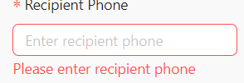 A message pop up |  | Pass
[Customer-29] | Submit service details without filling in recipient name | 1/ Click on the "Book shipping now" button 2/ Fill in the pick-up location 3/ Fill in the drop-off location 4/ Choose transport services 5/ Choose service pricing 6/ Click on the "continue" button 7/ Fill in valid phone number 8/ Click the "submit" button | 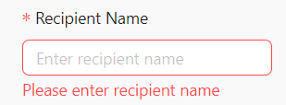 A message pop up |  | Pass
[Customer-30] | Submit service details without filling in recipient information and payment method | 1/ Click on the "Book shipping now" button 2/ Fill in the pick-up location 3/ Fill in the drop-off location 4/ Choose transport services 5/ Choose service pricing 6/ Click on the "continue" button 7/ Click on the "submit" button | 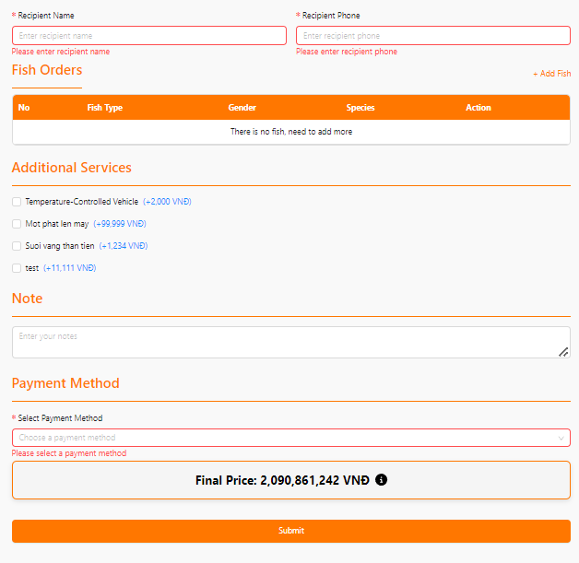 A message pop up |  | Pass
[Customer-31] | Submit service details without filling in recipient information and payment method | 1/ Click on the "Book shipping now" button 2/ Fill in the pick-up location 3/ Fill in the drop-off location 4/ Choose transport services 5/ Choose service pricing 6/ Click on the "continue" button 7/ Click on the "submit" button | A message pop up |  | Pass
[Customer-32] | Submit service details without filling in recipient information and payment method | 1/ Click on the "Book shipping now" button 2/ Fill in the pick-up location 3/ Fill in the drop-off location 4/ Choose transport services 5/ Choose service pricing 6/ Click on the "continue" button 7/ Click on the "submit" button | 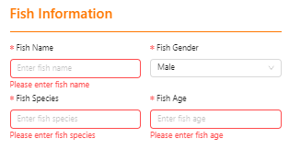 A message pop up |  | Pass
[Customer-33] | Add fish with invalid fish length | While on the service details page 1/ Click on the add fish button 2/ Fill in the information field with valid information 3/ Fill in the fish age with invalid fish length (negative number) 4/ Click on the submit button | A message pop up |  | Pass
[Customer-34] | Add fish with invalid fish weight | While on the service details page 1/ Click on the add fish button 2/ Fill in the information field with valid information 3/ Fill in the fish age with invalid fish weight (negative number) 4/ Click on the submit button | A message pop up |  | Pass
[Customer-35] | Add fish with invalid fish age | While on the service details page 1/ Click on the add fish button 2/ Fill in the information field with valid information 3/ Fill in the fish age with invalid fish age (negative number) 4/ Click on the submit button | A message pop up |  | Pass
[Customer-36] | Return to service details page without adding fish | While on the service details page 1/ Click on the add fish button 2/ Fill in the information field 3/ Click on the cancel button | User should return to service details page without adding fish |  | Pass
[Customer-37] | Successfully add fish to fish order | While on the service details page 1/ Click on the add fish button 2/ Fill in the information field 3/ Click on the add button | The fish will be add to fish order and a pop up message show up |  | Pass
[Customer-38] | Select additional service | While on the service details page 1/ Select additional service | The final price should change according to additional service being selected and the checked box should be tick |  | Pass
[Customer-39] | Make note | While on the service details page 1/ Select the note field 2/ Enter the note | The note should be save |  | Pass
[Customer-40] | Choose payment method | While on the service details page 1/ Select the payment method | Payment method should be changed to the choosen method |  | Pass
[Customer-41] | Submit the order | While on the service details page 1/ Fill in the recipient information 2/ Fill in the fish orders 3/ Select the additional services 4/ Select payment method 5/ Click the submit button | There should be a message pop up and you will be transfer to order information page |  | Pass
[Customer-42] | Create order without Fish | 1/ Click on the ""Book shipping now"" button 2/ Fill in the pick-up location 3/ Fill in the drop-off location 4/ Choose transport services 5/ Choose service pricing 6/ Click on the ""continue"" button" 7/ Fill Recipient Name 8/ Fill Recipient Phone | Expected output: Show message : Order placed fail! |  | Fail
[Customer-43] | Zoom in and out of the map | While on the select shipping location page 1/ Use the scroll wheel to zoom in and out | The map should be zoomed in and out |  | Pass
[Customer-44] | Change view type of the map | While on the select shipping location page 1/ Select the view type button (Satelite view, terrain view) | The map view should be changed to the according view type |  | Pass
[Customer-45] | Open the map full screen | While on the select shipping location page 1/ Select the full screeen zoon option | The map should be open in full screen |  | Pass
 | Account management
[Customer-46] | Change phone number invalid | While on the account management page 1/ Click on the change button next to the phone number 2/ Enter an invalid phone number (less than 10 digits) 3/ Press the submit button | A message should appear |  | Pass
[Customer-47] | Change phone number invalid | While on the account management page 1/ Click on the change button next to the phone number 2/ Enter an invalid phone number (more than 10 digits) 3/ Press the submit button | A message should appear |  | Pass
[Customer-48] | Change correct phone number | While on the account management page 1/ Click on the change button next to the phone number 2/ Enter valid phone number 3/ Press the submit button | A message should appear |  | Pass
[Customer-49] | Change email invalid | While on the account management page 1/ Click on the change button next to the email 2/ Enter an invalid email (not exist email) 3/ Press the submit button | A message should appear |  | Fail
[Customer-50] | Change email correct | While on the account management page 1/ Click on the change button next to the email 2/ Enter an valid email 3/ Press the submit button | A message should appear |  | Pass

